Definition
Definition :
2.Net information:
No. | Item | Definition : | Example
1 | Connecting two or more component pins | There is a NET connecting two or more component pins （Test point/Via are not componet） | 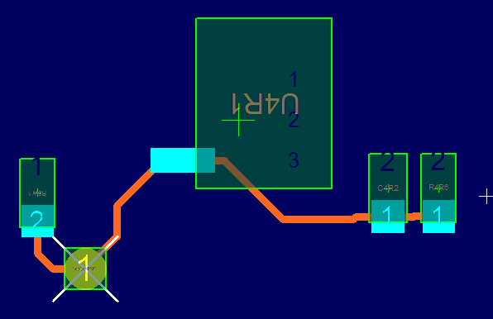 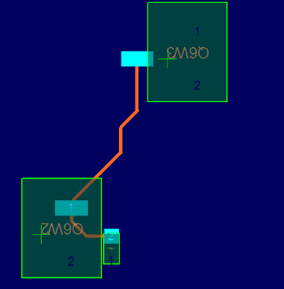
2 | Only single component pin is connecting No Connected (NC) | Net只連到一個元件交 （測點/Via不算元件） | 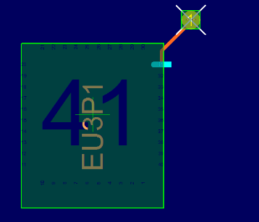  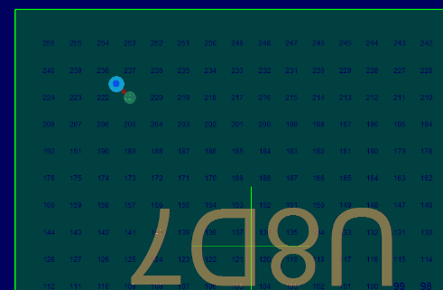
3 | Independent component pins No Connected (NC) | 元件腳沒有引出線路，包括DIP和SMD腳 | 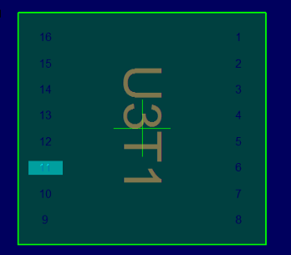 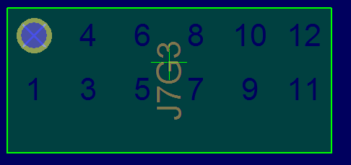 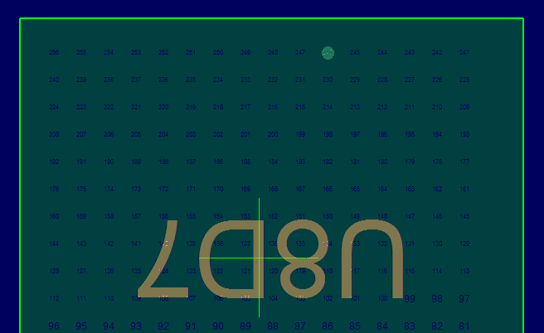
4 | Not connected to any component | NET不與任何元件相連，如孤立的孔，PAD等 | 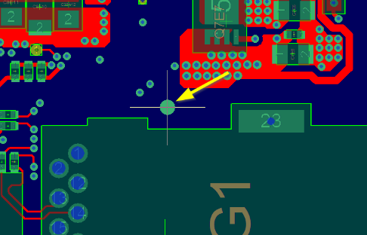 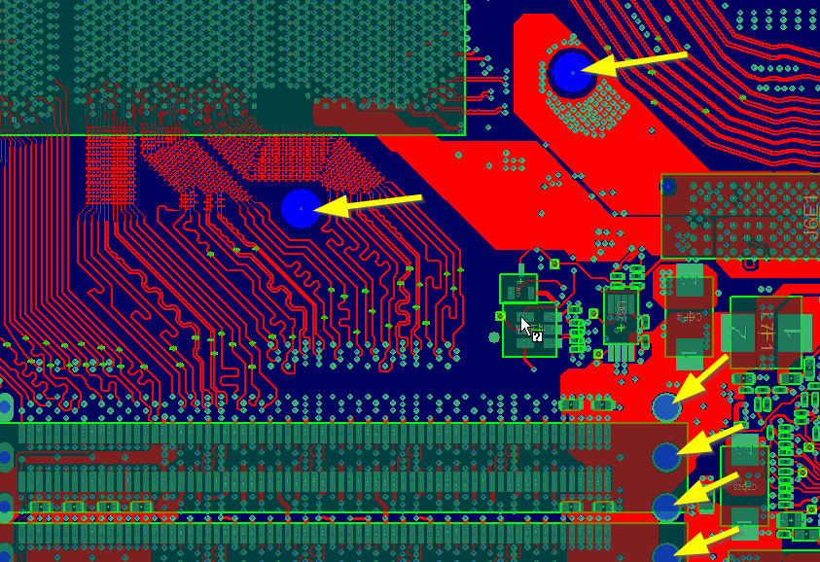

3. Nets Coverage : 以下皆為連接2個以上元件腳的NET
No. | Item | Definition :
1 | 因不符合DFT要求而無法植針的net 數 | 板子有layout 測點，但不符合DFT要求，導致無法植針的net數
2 | Q'ty of high speed nets | 板子上高速信號的總net數
3 | Q'ty of high speed nets with test piont | 板子上有測點高速信號的net數
4 | Testable nets Coverage (including high speed nets) | 公式：含高速信號net的Coverage =（測試點數總數-不符合DFT的測點數）/總net數
5 | Testable nets Coverage (excluding high speed nets) | 公式：不含高速信號net的Coverage =（測試點數總數-不符合DFT的測點數-有測點的高速信號net數）/（總net數-高速信號的總net數）

6. Power and GND nodes quantity, sufficient test points are required to supply power:
No. | Net Name | Need Q'ty | Actual Q'ty
1 | GND | 可測TP總數/32
2 | Every Power Signal | 每個探針能承受的最大電流

